CDD Export 1
Molecule Name | Structure | Alternate Names | Batch Name | LGCY Batch Name | 1BXLIN_RdRp_newcmpds_IC50_Slope5min_12wells: Run Date | 1BXLIN_RdRp_newcmpds_IC50_Slope5min_12wells: IC50 (uM) | 1BXLIN_RdRp_newcmpds_IC50_Slope5min_12wells: Hill slope | 1BXLIN_RdRp_newcmpds_IC50_Slope5min_12wells: R squared | 1BXLIN_RdRp_newcmpds_IC50_Slope5min_12wells: Dose-response Plot
SACC-0034739 | 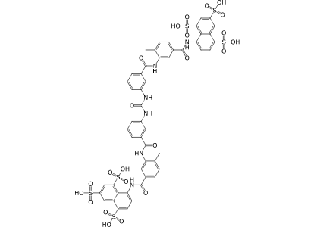 | NCGC00025177-01 | 001 | C07974 | 2024-04-12 | 0.09 | 1.48 | 0.88
SACC-0444792 | 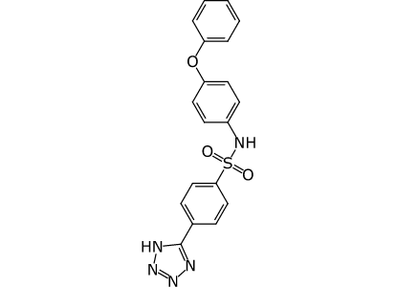 | Z285271762 | 001 | RA-0025392 | 2024-04-12 | 20.88 | 1.69 | 0.98
SACC-0444799 | 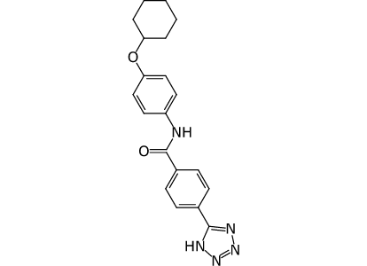 | Z1217708420 | 001 | RA-0025399 | 2024-04-12 | 26.47 | 1.95 | 0.99
SACC-0444790 | 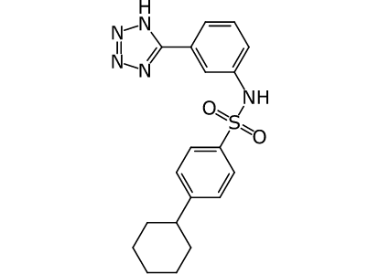 | Z115632202 | 001 | RA-0025390 | 2024-04-12 | 27.58 | 1.7 | 0.99
SACC-0444785 | 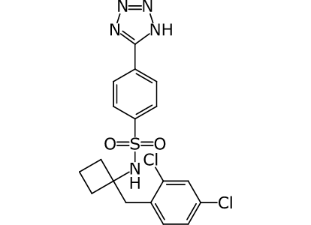 | Z4982192620 | 001 | RA-0025385 | 2024-04-12 | 31.57 | 4.66 | 0.97
SACC-0444796 | 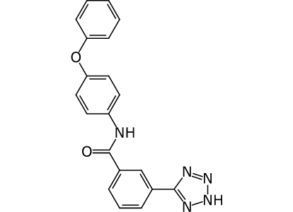 | Z285260254 | 001 | RA-0025396 | 2024-04-12 | 40.96 | 1.95 | 0.97
SACC-0444798 | 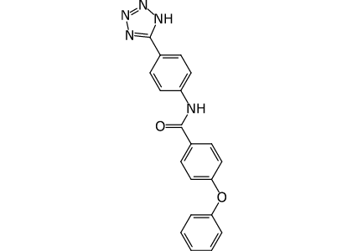 | Z916199244 | 001 | RA-0025398 | 2024-04-12 | 47.53 | 1.44 | 0.98
SACC-0444794 | 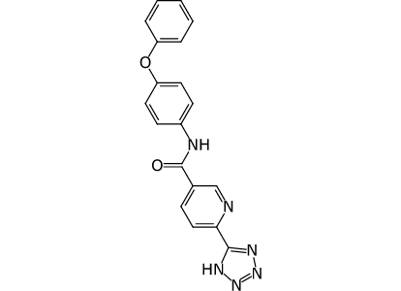 | Z8955417345 | 001 | RA-0025394 | 2024-04-12 | 58.22 | 1.41 | 0.96
SACC-0444791 | 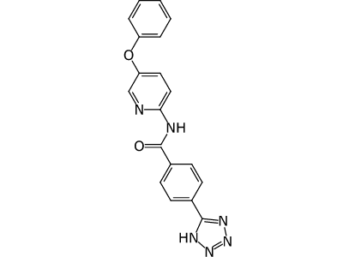 | Z1102903879 | 001 | RA-0025391 | 2024-04-12 | > 62.50 | 1 | 0.97
SACC-0444797 | 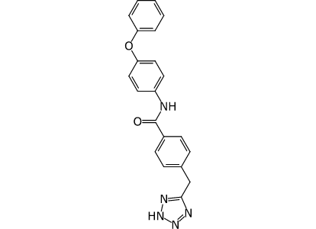 | Z8955443203 | 001 | RA-0025397 | 2024-04-12 | > 62.50 | 1.38 | 0.93
SACC-0444795 | 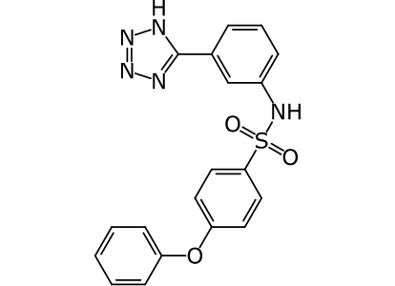 | Z8955447333 | 001 | RA-0025395 | 2024-04-12 | > 62.50 | 0.8 | 0.99
SACC-0444793 | 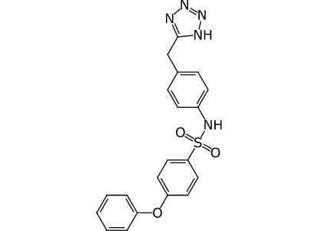 | Z8955443793 | 001 | RA-0025393 | 2024-04-12 | > 62.50 | 1.17 | 0.89
SACC-0444800 | 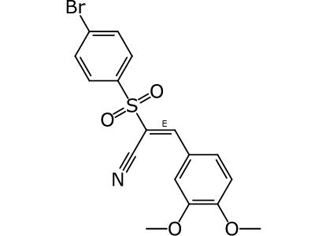 | HA-03-03-02 | 001 | RA-0025401 | 2024-04-12 | > 62.50 | 0.47 | 0.03
SACC-0444801 | 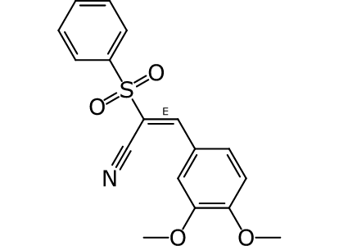 | HA-03-04-01 | 001 | RA-0025402 | 2024-04-12 | > 62.50 | 0.36 | 0.67
SACC-0444786 | 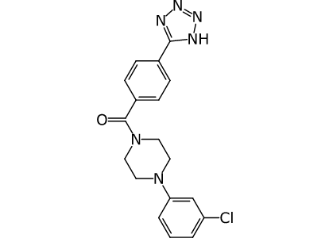 | Z87546282 | 001 | RA-0025386 | 2024-04-12 | > 62.50 | 0.55 | 0.59
SACC-0444803 | 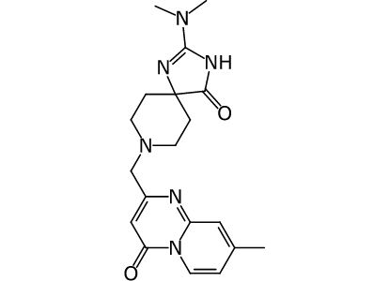 | RA-0002125-02 | 001 | RA-0002125-02 | 2024-04-12 | > 62.50 | 0.69 | 0.29
SACC-0444789 | 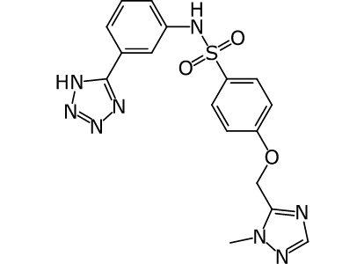 | Z1543425437 | 001 | RA-0025389 | 2024-04-12 | > 62.50 | 1.1 | 0.9
SACC-0444788 | 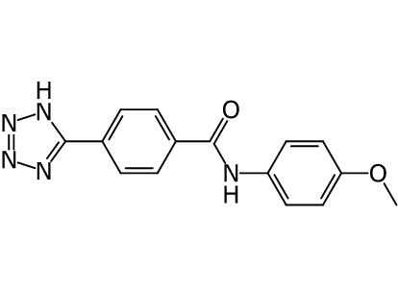 | Z87528219 | 001 | RA-0025388 | 2024-04-12 | > 62.50 | 1.1 | 0.92
SACC-0444802 | 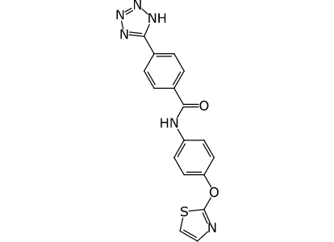 | HA-01-05-01 | 001 | RA-0025403 | 2024-04-12 | > 62.50 | 1.48 | 0.85
SACC-0444787 | 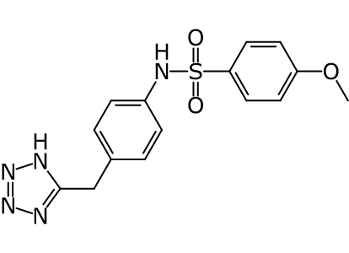 | Z1421050602 | 001 | RA-0025387 | 2024-04-12 | > 62.50 | 0.56 | 0.84
SACC-0444112 | 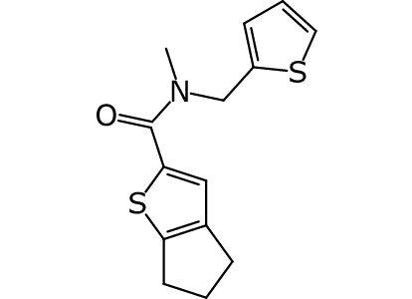 | Z30717091 | 001 | RA-0009762-01 RA-0025400-01 | 2024-04-12 | (IC50 could not be calculated)

 | Batch Synonym | Date | LGCY Batch Name | Name | Well
Smile
SACC-0444869 | CN(C(C1=CC=CS1)=O)CC2=CC3=C(S2)CCC3 | Z3482690616 | 2024-04-24 | RA-0025400 | AViDDUCL-0008 | B07

